Sheet1
Stirland Chargers

No. | Players Name | Position | MA | ST | AG | AV | Skills | INJ | COMP | TD | INT | CAS | MVP | SPP | COST
1 | Thickstump Greenleaf | Treeman | 2 | 6 | 1 | 10 | Loner, MightBlow, StandFirm,StrongArm, TakeRoot, ThickSkull, ThrowTeammate, LEADER | No |  |  |  |  |  | 0 | 150,000 gp
2 | Hardwood Loudbark | Treeman | 2 | 6 | 1 | 10 | Loner, MightBlow, StandFirm,StrongArm, TakeRoot, ThickSkull, ThrowTeammate, BLOCK | No |  |  |  |  |  | 0 | 150,000 gp
3 | Allendor Kurtown | Halfling | 5 | 2 | 3 | 6 | Dodge, Right Stuff, Stunty, SIDESTEP | No |  |  |  |  |  | 0 | 50,000 gp
4 | Skotshel Prymbread | Halfling | 5 | 2 | 3 | 6 | Dodge, Right Stuff, Stunty, SUREHANDS | No |  |  |  |  |  | 0 | 60,000 gp
5 | Shtevie Belcamps | Halfling | 5 | 2 | 3 | 6 | Dodge, Right Stuff, Stunty, SUREHANDS | No |  |  |  |  |  | 0 | 60,000 gp
6 | Meeken Surgetait | Halfling | 5 | 2 | 3 | 6 | Dodge, Right Stuff, Stunty, SPRINT | No |  |  |  |  |  | 0 | 50,000 gp
7 | Breyend Hillsweat | Halfling | 5 | 2 | 3 | 6 | Dodge, Right Stuff, Stunty | No |  |  |  |  |  | 0 | 30,000 gp
8 | Spenstal Beaderswell | Halfling | 5 | 2 | 3 | 6 | Dodge, Right Stuff, Stunty | No |  |  |  |  |  | 0 | 30,000 gp
9 | Steefpot Ekerbelly | Halfling | 5 | 2 | 3 | 6 | Dodge, Right Stuff, Stunty | No |  |  |  |  |  | 0 | 30,000 gp
10 | Brokwee Hoffewen | Halfling | 5 | 2 | 3 | 6 | Dodge, Right Stuff, Stunty | No |  |  |  |  |  | 0 | 30,000 gp
11 | Gherehblu Choplandis | Halfling | 5 | 2 | 3 | 6 | Dodge, Right Stuff, Stunty | No |  |  |  |  |  | 0 | 30,000 gp
12 | Chayms Bittenfork | Halfling | 5 | 2 | 3 | 6 | Dodge, Right Stuff, Stunty | No |  |  |  |  |  | 0 | 30,000 gp
13 | Deeproot Strongbranch | StarPlayer | 2 | 7 | 1 | 10 | Loner, Block, MightyBlow, StandFirm, StrongArm, ThickSkull, ThrowTeammate | No |  |  |  |  |  | 0 | 300,000 gp
14 |  |  |  |  |  |  |  | No |  |  |  |  |  | 0 | 0 gp
15 | HALFLING CHEF | ******* |  |  |  |  |  | No |  |  |  |  |  | 0 | 100,000 gp
16 |  |  |  |  |  |  |  | No |  |  |  |  |  | 0 | 0 gp
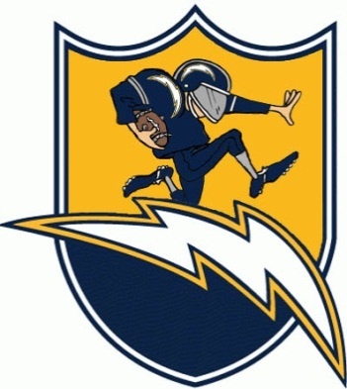
 |  | Goal +/- | TEAM : |  |  |  | Stirland chargers | Re-Rolls |  |  | 0 | 60,000 gp |  | = | 0 gp
 |  | #REF! | RACE : |  |  |  | Halfling | Fan Factor |  |  | 0 | 10,000 gp |  | = | 0 gp
 |  | Cas. For | TEAM RATING : |  |  |  | 110 | Assistant Coaches |  |  | 0 | 10,000 gp |  | = | 0 gp
 |  | 0 | TREASURY : |  |  |  | 0 gp | Cheerleaders |  |  | 0 | 10,000 gp |  | = | 0 gp
 |  |  | HEAD COACH : |  |  |  |  | Team Apothecary |  |  | 0 | 50,000 gp |  | = | 0 gp
 |  |  |  |  |  |  |  | Freebooter Wizard |  |  | 0 | 50,000 gp |  | = | 0 gp
 |  |  |  |  |  |  |  | Total Cost of Team |  |  |  |  |  | 1,100,000 gp

